Oil filter bracket Assy 170
PT SAPTAINDRA SEJATI
PLANT REBUILD CENTER

OIL FILTER HEAD ASSY CHECK SHEET
KOMATSU ENGINE 6D170E-3

WO NUMBER |  |  |  |  |  | PART NAME |  | OIL FILTER HEAD |  |  |  | DOCUMENT NO. |  |  | QR03-SA-009-03
ENGINE MODEL |  |  | 6D170E-3 |  |  | PART NUMBER |  |  |  |  |  | PUBL. DATE |  |  | 01/08/2008
ENGINE S/N |  |  |  |  |  | START DATE / TIME |  |  |  |  |  | REVISION NO. |  |  | 02
MACHINE MODEL |  |  |  |  |  | FINISH DATE / TIME |  |  |  |  |  | PAGE |  |  | 1 of 1

PROCESS |  |  | START |  |  |  |  |  | ASSEMBLY BY
 |  |  | FINISH

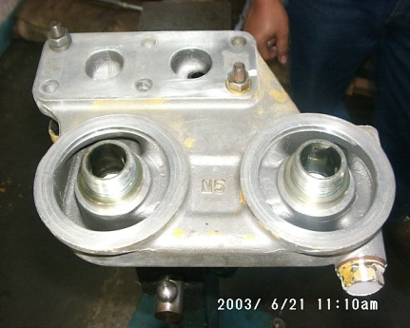
NO | PARTS | CHECK | CONDITION TO BE CHECKED |  |  |  |  |  | SPEC. |  | SIGN |  |  | NOTES, DIAGRAMS
 |  |  |  |  |  |  |  |  |  |  | MEC | QA | SPV | COMMENT
1 | Bracket |  | - | Confirm that bracket free from dirt, crack,
 |  |  |  | corrosion and damage.
 |  |  | - | Confirm that all threads are free
 |  |  |  | from damage.

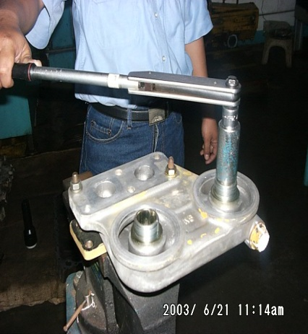
2 | Bracket | Connector | - | Tightening Cap to oil filter head |  |  |  |  | 5± 0.5 Kgm
 | Assembly
 |  |  |  |  | Actual : kgm

 |  |  | - | Tightening plugs 8 mm to bracket |  |  |  |  | 3 ± 0.5 Kgm
 |  |  |  |  | Actual : kgm

 |  |  | - | Tightening connector NPT 1/8 |  |  |  |  | 1 ± 0.2 Kgm
 |  |  |  |  | Actual : kgm

 |  |  | - | Tightening connector to bracket |  |  |  |  | 9 ± 0.5 Kgm

 |  |  |  |  | Actual : kgm

3 | Final Inspection |  | - | Recheck all plugs from loosen

 |  |  | - | Recheck marks

Note:

 | ASSEMBLY BY |  |  |  |  |  |  |  |  | INSPECTED & APROVED BY

 | MECHANIC (MECH) |  |  |  |  |  | QUALITY ASSURANCE (QA) |  |  |  |  |  | PROD. SUPERVISOR (SPV)

Oil filter bracket Assy
ASSEMBLY CHECK SHEET
OIL FILTER BRACKET
HD785-5E
HD785-5M
HD985-5E
WA800-3E
WA800-3M
WA900-3E
WA900-3M
D475A-3
D475A-5

JOB NUMBER |  |  |  |  | DOCUMENT NO |  | QR12-ENG-001
ENGINE MODEL |  |  |  |  | PUBLIC.DATE |  | 5/12/2007 |  |  |  |  | All dimensions in millimetres
ENGINE SER.NO. |  |  |  |  | REVISION NO. |  |  |  |  |  |  | All torques in Kilogram metres
MACHINE MODEL |  |  |  |  | PAGE |  | 1 | of | 1

PROCESS |  |  | START |  |  |  |  |  |  | ASSEMBLY BY
 |  |  | FINISH

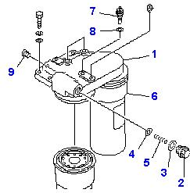
NO | PARTS | CHECK | CONDITION TO BE CHECKED |  |  |  |  |  |  | SPEC. | SIGN | REMARKS (SKETCH, PHOTOES,
 |  | POINT |  |  |  |  |  |  |  |  |  | COMMENTS)
1 | Bracket |  | - | Confirm that bracket free from dirt, crack,
 |  |  |  | corrosion and damage.
 |  |  | - | Confirm that all threads are free from damage.
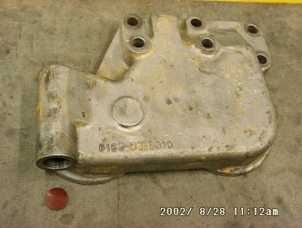


2. | Bracket | Connector | - | Tightening connector to bracket |  |  |  |  |  | 4 – 4.5 Kgm
 | Assembly
 |  |  |  |  |  | Actual : kgm

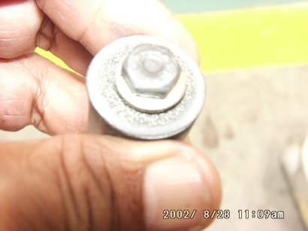
 |  |  | - | Tightening plugs 8 mm to bracket |  |  |  |  |  | 3 ± 0.5 Kgm
 |  |  |  |  |  | Actual : kgm

 |  |  | - | Tightening connector NPT 1/8 |  |  |  |  |  | 1 ± 0.2 Kgm
 |  |  |  |  |  | Actual : kgm

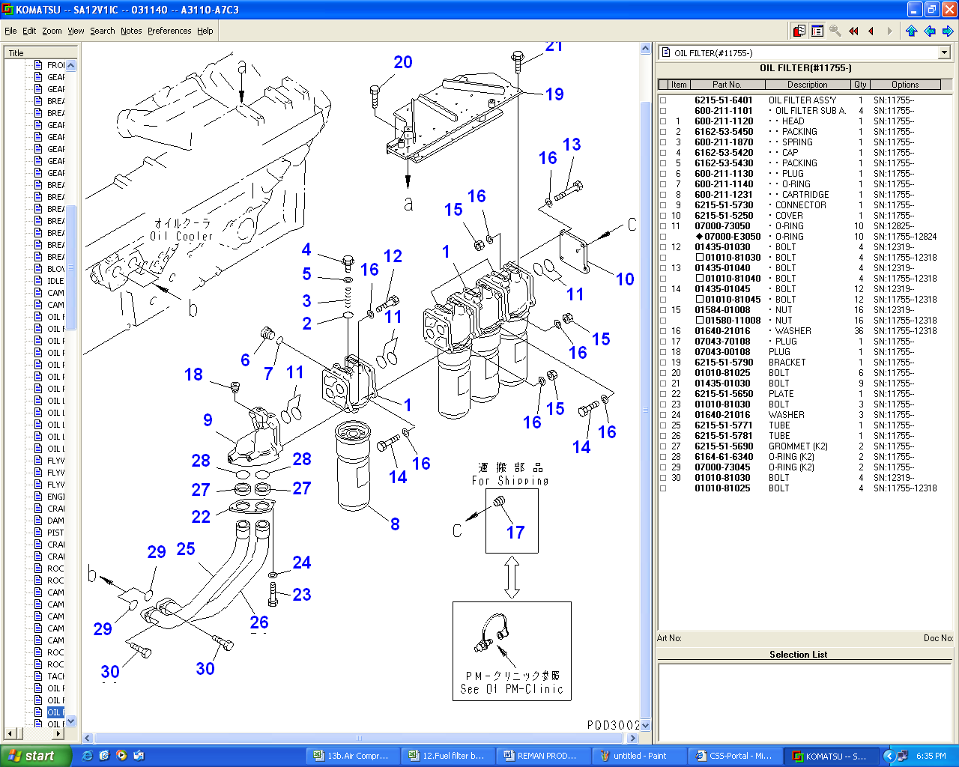
 |  |  | - | Install plugs to supply and return fuel tightening |  |  |  |  |  | 2 ± 0.5 Kgm
 |  |  |  | plug
 |  |  |  |  |  | Actual : kgm

3. | Final Inspection |  | - | Recheck all plugs from loosen

 |  |  | - | Recheck marks

Note:

 | APROVED BY |  |  |  |  |  |  |  |  |  |  | ASSEMBLY BY

 | ( SUPERVISOR ) |  |  |  |  |  |  |  |  |  |  | ( MECHANIC )

